Sheet1
Credit Name: CSE3010 - Computer Science 3
Assignment Name: Break A Plate Mastery

How has your program changed from planning to coding to now? Please explain?

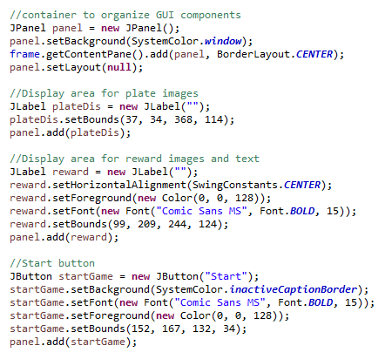
I started with the frame of the GUI(the JPanel) and what I needed to display; a start button, an area to display the plates and the prize. I broke each step
into smaller steps so that i was easier to manage.

I then initialized the images and set the reward display area as a white picture as the instructions wanted.
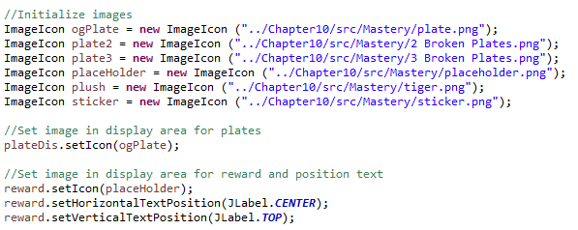

In order for the start button to be functional, I needed to add an event handler that will execute the code when an action is performed. This is where I
initialized 3 integer variables randomly picked from 0 to 1, and added them together. The total will represent the total number of plates broken. I also
changed the name of the JButton to "Start Again." I then changed the plate and reward display based on the number of plates broken. Testing to
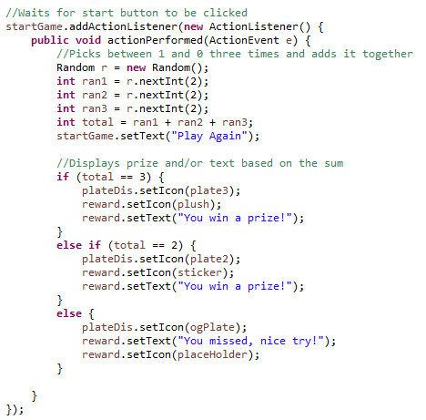
make sure it displayed properly.

The most difficult part was figuring out how to display both the reward icon and text at the same time. At first I made 2 different JLabels to display the
image and text separately before I realized that JLabels can display both icons and text. I first looked through the textbook before turning to google.
By setting the position of the text, I was able to display both at the same time.

